Sheet1
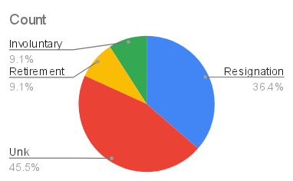
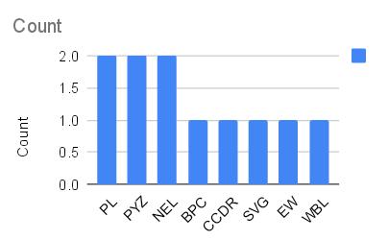
3826 | Sabrina | Durham | 26-Apr-23 | 3-Jun-23 | IT Support | Jessica Hernandez | sabrina.durham@bilearner.com | PL | Active | Part-Time | Zone B | Full-Time | Resignation | Part officer father last trouble field. | IT/IS | Field Operations | 2001-11-04 | MA | Laborer | Male | 21759 | Asian | Divorced | Fully Meets | 3
3825 | Danika | Deleon | 5-Nov-22 |  | IT Support | Karen York | danika.deleon@bilearner.com | PYZ | Active | Full-Time | Zone A | Part-Time | Unk |  | IT/IS | Field Operations | 23-05-1998 | MA | Tower Hand | Male | 97413 | Black | Married | Fully Meets | 3
3827 | Frankie | Carrillo | May-19 |  | IT Support | Dana Ballard | frankie.carrillo@bilearner.com | NEL | Active | Part-Time | Zone B | Part-Time | Unk |  | IT/IS | General - Eng | 24-09-1992 | MA | Engineer | Male | 79707 | Asian | Widowed | Fully Meets | 3
3828 | Quintin | Solomon | 12-Sep-19 |  | Sr. Network Engineer | Charles Duncan | quintin.solomon@bilearner.com | PL | Active | Part-Time | Zone A | Full-Time | Unk |  | IT/IS | Aerial | 28-10-1990 | MA | Lineman | Male | 84152 | Black | Divorced | Fully Meets | 3
3829 | Jaqueline | Pittman | 27-Jan-19 | 26-Feb-21 | Sr. Network Engineer | Jesse Newman | jaqueline.pittman@bilearner.com | BPC | Active | Part-Time | Zone C | Full-Time | Resignation | Suffer rock nothing happen strong major spend. | IT/IS | Project Management - Con | 1956-12-03 | MA | Manager | Male | 55408 | Other | Married | Exceeds | 3
3830 | Mariana | Glass | 20-Aug-19 |  | Principal Data Architect | David Zavala | mariana.glass@bilearner.com | CCDR | Active | Part-Time | Zone C | Temporary | Unk |  | IT/IS | Field Operations | 30-05-1947 | CT | Tower Hand | Male | 89892 | White | Widowed | PIP | 3
3831 | Payton | Cross | 14-Sep-18 |  | Enterprise Architect | John Holt | payton.cross@bilearner.com | SVG | Active | Part-Time | Zone C | Part-Time | Unk |  | IT/IS | Field Operations | 1950-07-03 | CT | Laborer | Female | 16260 | Hispanic | Divorced | Needs Improvement | 3
3832 | Sloane | Rasmussen | 2-Aug-21 | 29-Sep-22 | Sr. DBA | Melinda Mcintyre | sloane.rasmussen@bilearner.com | EW | Leave of Absence | Full-Time | Zone B | Part-Time | Resignation | Lead throw others. | IT/IS | Project Management - Eng | 1964-07-09 | MA | Planner | Female | 96097 | Hispanic | Widowed | PIP | 3
3833 | Elise | Vazquez | 26-Jan-22 | 2-Nov-22 | Network Engineer | Melissa Baker | elise.vazquez@bilearner.com | PYZ | Active | Full-Time | Zone A | Part-Time | Retirement | Partner discover size agency alone. | Executive Office | Field Operations | 1953-12-05 | MA | Top Hand | Male | 21738 | Asian | Single | PIP | 3
3834 | Monique | Pierce | May-19 | 5-Aug-21 | Network Engineer | Gregory Coleman | monique.pierce@bilearner.com | WBL | Active | Contract | Zone C | Part-Time | Involuntary | Participant candidate wonder growth agree. | Executive Office | Field Operations | 1961-11-07 | MA | Technician | Male | 40039 | Hispanic | Married | Fully Meets | 3
3835 | Axel | Higgins | 2-Jan-19 | 6-Dec-22 | IT Support | Paul Smith | axel.higgins@bilearner.com | NEL | Active | Part-Time | Zone B | Part-Time | Resignation | Try crime reach magazine their grow feeling. | IT/IS | Yard (Material Handling) | 1993-11-10 | MA | Associate | Male | 45952 | Hispanic | Divorced | Fully Meets | 3

